Bug Report
 | category | value
1 | Bug ID | ID_01 | ID_02 | ID_03
2 | Summary | Page is constantly loading after filtering products and will not show result when any checkbox is clicked
3 | Reporter | Milica Pantic
4 | Submit Date | 08.10.2021.
5 | Assigned to | Dragan Petrovic
6 | Environment | Google Chrome, Version 94.0.4606.61 (Official Build) (64-bit)
7 | Description | When any of the checkboxes in CATALOG area for filtering is checked, page is loading and not giving any filtered result
8 | Steps to reproduce: | 1) Open Browser 2) Enter automationpractice.com/index.php in search field 3) When page is opened, click on any checkbox on left side, under subtitle "CATALOG"
9 | Expected result | When specific checkbox is checked, filtered result should be shown on the page
10 | Actual result | Page is non-stop loading and will not filter products
9 | Priority | HIGH
10 | Severity | HIGH
11 | Notes
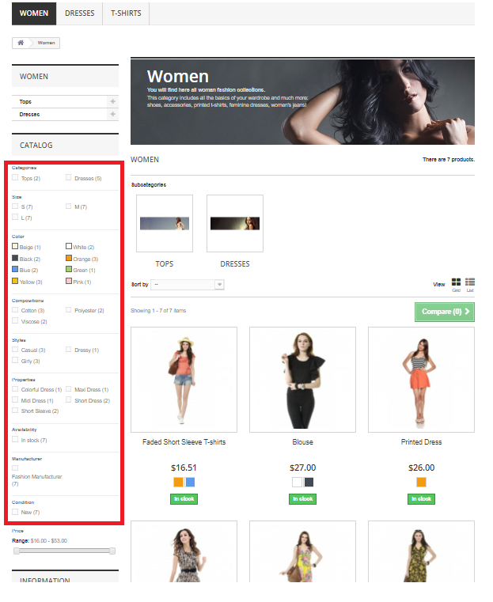
12 | Screenshots

